Vopak overview
Index page

Vopak overview

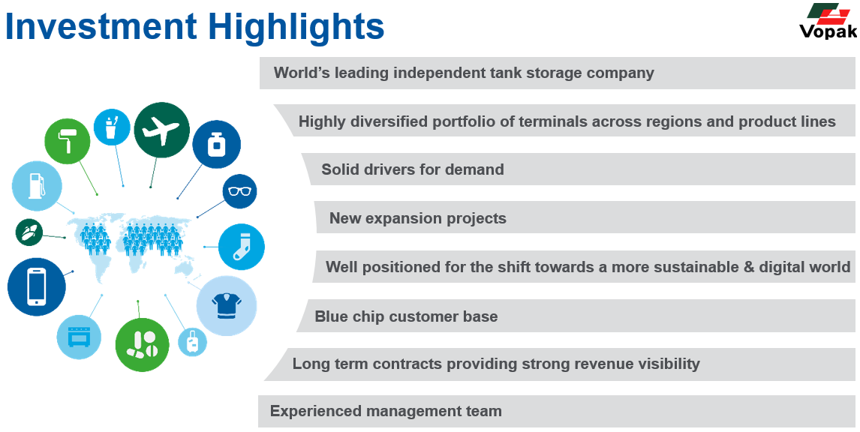
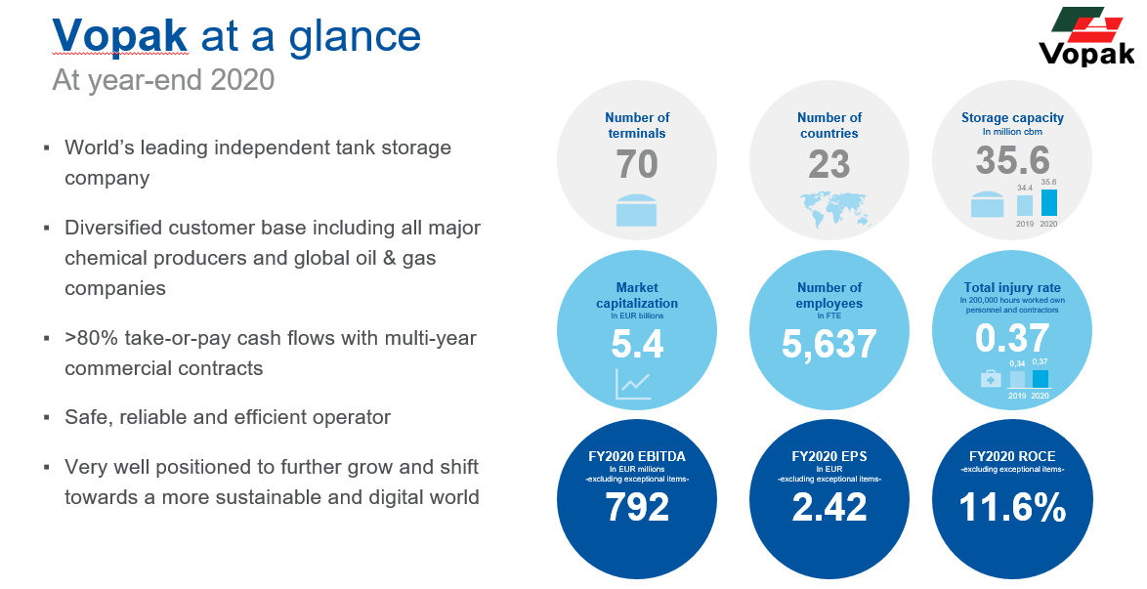

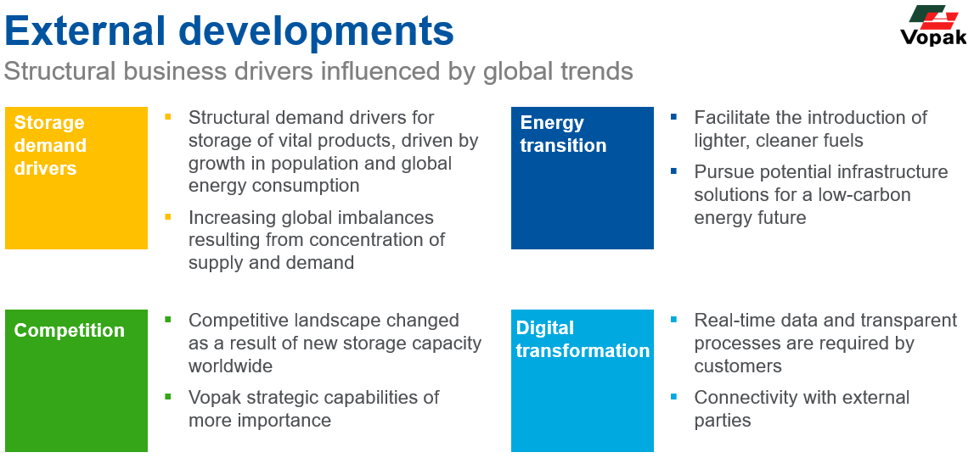
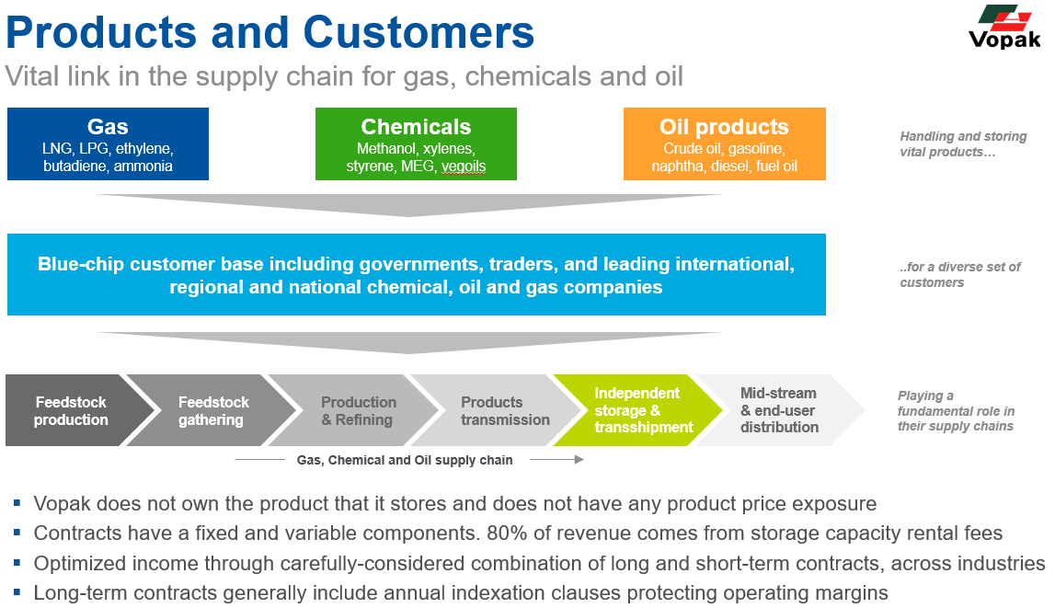

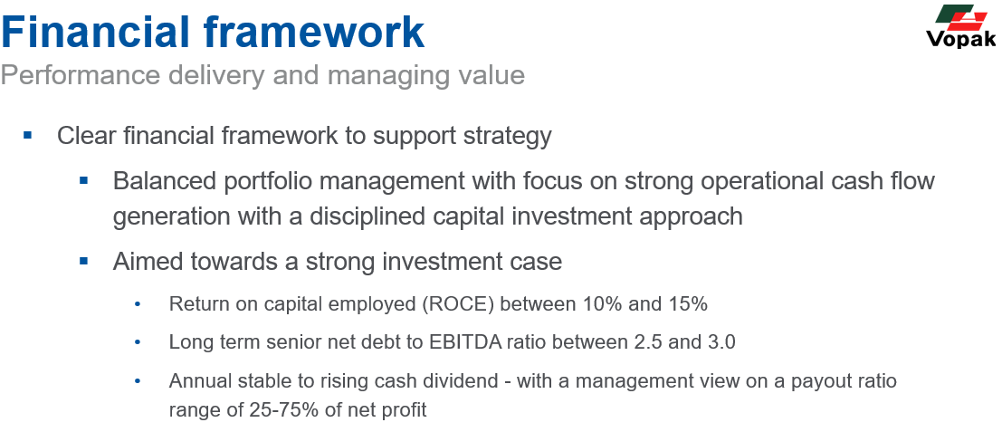
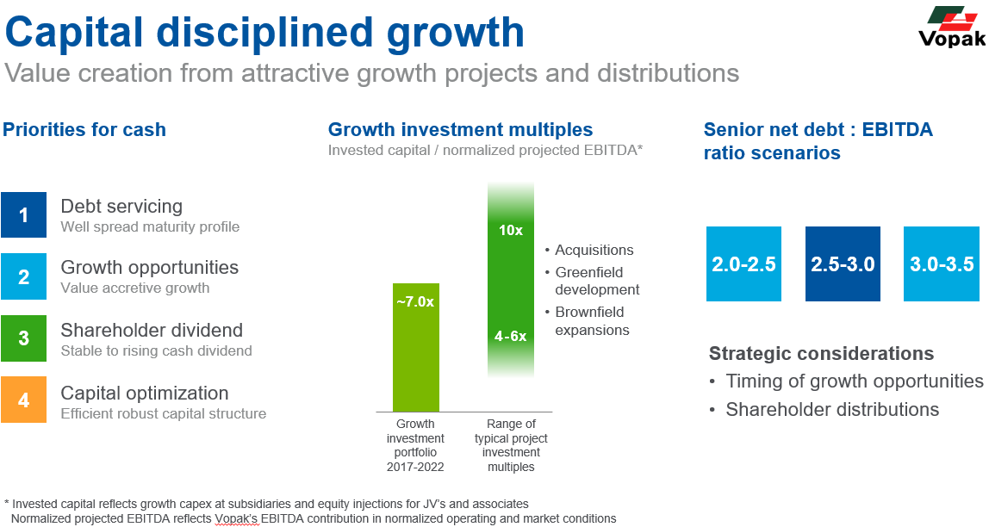

Divisional overview
The Americas division has operations in North america (US & Canada) and Latin America (Mexico, Panama, Colombia and Brazil). The main activities are located on the US gulf coast (including chemical hub location Houston & US chemical industrial terminals) and in Los Angeles on the US West Coast. Other activites include the oil and chemical import locations in Brazil and Mexico and Canadian oil distribution and gas export joint venture. In Panama, Vopak operates the independent oil terminal and acts as operator for another part of this terminal.
The Asia & Middle East division has operations in Singapore, various countries in Southeast Asia, Australia and the Middle East. The main activities are located in Singapore (oil and chemcial capacity) and Malaysia (oil capacity) - combined the hub location Singapore Straits. Other activites include the Fujairah oil hub location and industrial terminals in Malaysia, Thailand, Pakistan and Saudi Arabia. Furthermore, Vopak operates Import and distribution terminals for oil and chemicals are in Australia, Indonesia, India. Vopak acts as operator for some assets in Saudi Arabia and Singapore.
The China & North Asia division has operations in China, Vietnam and South Korea. The main activities comprise the (joint venture) chemical industrial terminals located in China near Shanghai, near Zhangzhou (Fujian) and near Tianjin. Other activites include the chemical distribution terminal in Zhangjiagang (China) and terminals in other Chinese ports, Vietnam and South Korea.
The Europa & Africa division has operations in Northwest Europe and South Africa. The main activities are located in the Netherlands in the Rotterdam hub (oil and chemical capacity) and in Belgium in Antwerpen the chemicals hub. Other activities in the Netherlands include terminals in Vlaardingen (vegoils & biofuels) and Vlissingen (gas) and operatorsip of the strategic oil reserve in Eemshaven. In South Africa, Vopak operates the oil import terminal in Durban and the inland terminal in Lesedi (connected by pipeline). Furthermore, Vopak has a chemical joint venture terminal in Spain.
The LNG division is the independent global LNG regasification terminal operator. The main activities are the onshore LNG regassification terminals in Rotterdam, the Netherlands, and Altamira, Mexico. Other activities include the FSRU terminals in Pakistan and Colombia.

Outlook statements At 1Q21 2021
Performance ● In 2021, EBITDA contributions from 2020 and 2021 growth projects are expected to be at the higher end of the EUR 30 million to EUR 50 million range, subject to market conditions and currency exchange movements. ● Cost management continues and we expect to manage the 2021 cost base including additional cost for new growth projects to be managed below EUR 615 million, subject to currency exchange movements. ● Vopak targets a 10% to 15% Return On Capital Employed (ROCE before interest and tax) for the portfolio Investments ●Vopak has the ambition to allocate some EUR 300 million to EUR 350 million to growth investments in 2021 through existing committed projects, new business development and pre-FID feasibility studies in new energies including hydrogen. ●The majority of growth investments will be allocated towards industrial, gas and new energies infrastructures. ●Our positive views on chemicals have not changed. New growth investments in oil infrastructure are expected to be reduced and will mostly be targeted towards strengthening our leading hub positions. ● Vopak may invest EUR 750-850 million in sustaining and service improvement capex in the period 2020-2022, subject to additional discretionary decisions, policy changes and regulatory environment. ● Vopak expects to spend annually EUR 30-50 million in IT capex in the period 2020-2022.

